LOTTO Polo Packing List
LOTTO POLO-SHIRT

Internal-Nr | EAN | Sex | Size | PCS | Art | Color | Material | Retail | IMAGES
X1291 | YES | Men | M | 500 | Short-Sleeve Polo-Shirt | Rosa | 100 % Cotton | 34.99 € | 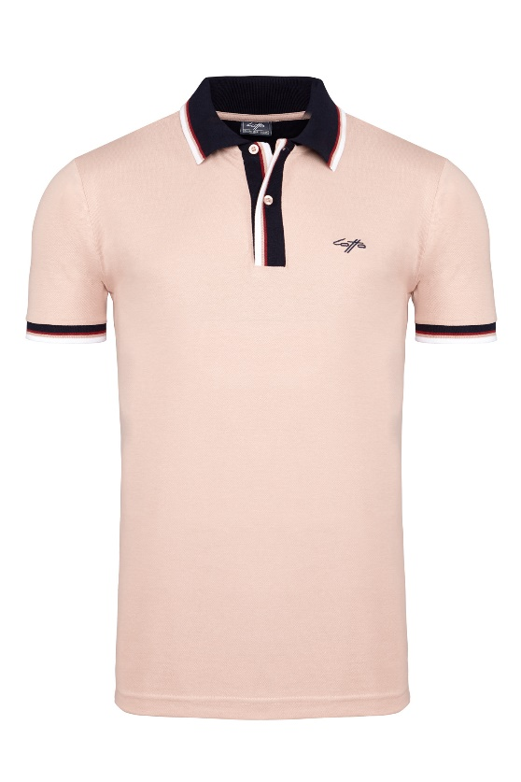
X1291 |  | Men | L | 1000 | Short-Sleeve Polo-Shirt | Rosa | 100 % Cotton | 34.99 €
X1291 |  | Men | XL | 1000 | Short-Sleeve Polo-Shirt | Rosa | 100 % Cotton | 34.99 €
X1291 |  | Men | XXL | 500 | Short-Sleeve Polo-Shirt | Rosa | 100 % Cotton | 34.99 €
 |  |  |  | 3000

Internal-Nr | EAN | Sex | Size | PCS | Art | Color | Material | Retail | IMAGES
X1292 |  | Men | M | 700 | Short-Sleeve Polo-Shirt | white | 100 % Cotton | 34.99 € | 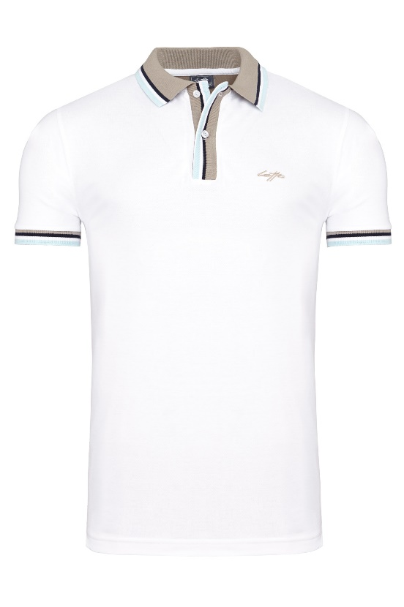
X1292 |  | Men | L | 1400 | Short-Sleeve Polo-Shirt | white | 100 % Cotton | 34.99 €
X1292 |  | Men | XL | 1400 | Short-Sleeve Polo-Shirt | white | 100 % Cotton | 34.99 €
X1292 |  | Men | XXL | 700 | Short-Sleeve Polo-Shirt | white | 100 % Cotton | 34.99 €
 |  |  |  | 4200

Internal-Nr | EAN | Sex | Size | PCS | Art | Color | Material | Retail | IMAGES
X1293 |  | Men | M | 360 | Short-Sleeve Polo-Shirt | brown | 100 % Cotton | 34.99 € | 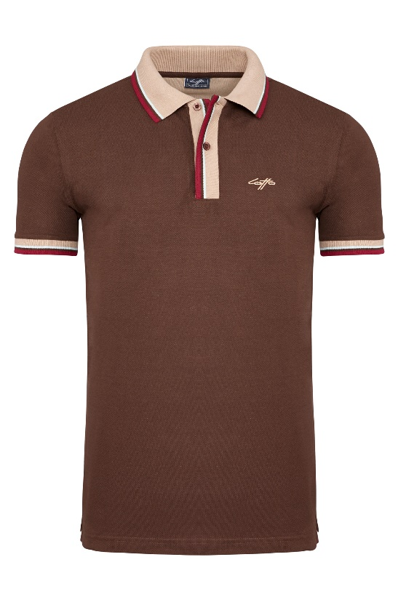
X1293 |  | Men | L | 720 | Short-Sleeve Polo-Shirt | brown | 100 % Cotton | 34.99 €
X1293 |  | Men | XL | 720 | Short-Sleeve Polo-Shirt | brown | 100 % Cotton | 34.99 €
X1293 |  | Men | XXL | 360 | Short-Sleeve Polo-Shirt | brown | 100 % Cotton | 34.99 €
 |  |  |  | 2160

Internal-Nr | EAN | Sex | Size | PCS | Art | Color | Material | Retail | IMAGES
X1294 |  | Men | M | 320 | Short-Sleeve Polo-Shirt | green | 100 % Cotton | 34.99 € | 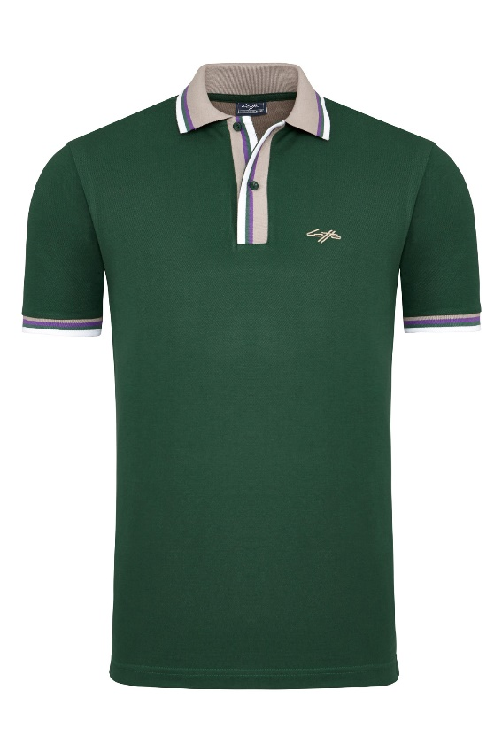
X1294 |  | Men | L | 640 | Short-Sleeve Polo-Shirt | green | 100 % Cotton | 34.99 €
X1294 |  | Men | XL | 640 | Short-Sleeve Polo-Shirt | green | 100 % Cotton | 34.99 €
X1294 |  | Men | XXL | 320 | Short-Sleeve Polo-Shirt | green | 100 % Cotton | 34.99 €
 |  |  |  | 1920

Internal-Nr | EAN | Sex | Size | PCS | Art | Color | Material | Retail | IMAGES
X1295 |  | Men | M | 560 | Short-Sleeve Polo-Shirt | black | 100 % Cotton | 34.99 € | 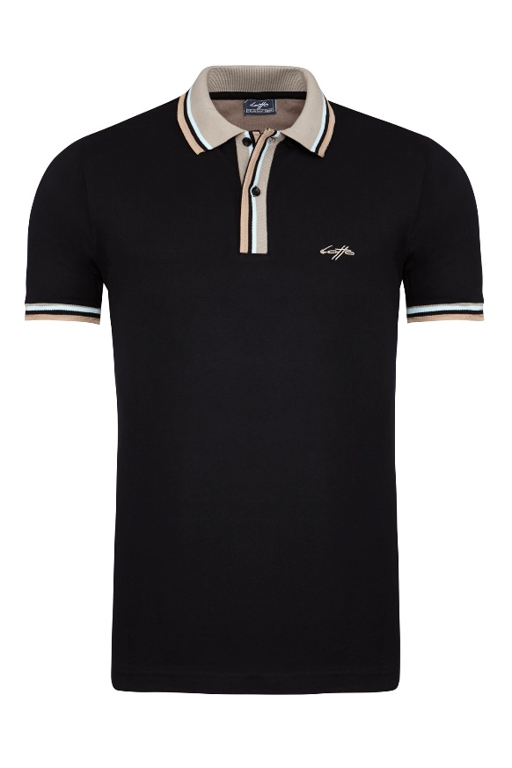
X1295 |  | Men | L | 1120 | Short-Sleeve Polo-Shirt | black | 100 % Cotton | 34.99 €
X1295 |  | Men | XL | 1120 | Short-Sleeve Polo-Shirt | black | 100 % Cotton | 34.99 €
X1295 |  | Men | XXL | 560 | Short-Sleeve Polo-Shirt | black | 100 % Cotton | 34.99 €
 |  |  |  | 3360

Internal-Nr | EAN | Sex | Size | PCS | Art | Color | Material | Retail | IMAGES
X1296 |  | Men | M | 320 | Short-Sleeve Polo-Shirt | sky | 100 % Cotton | 34.99 € | 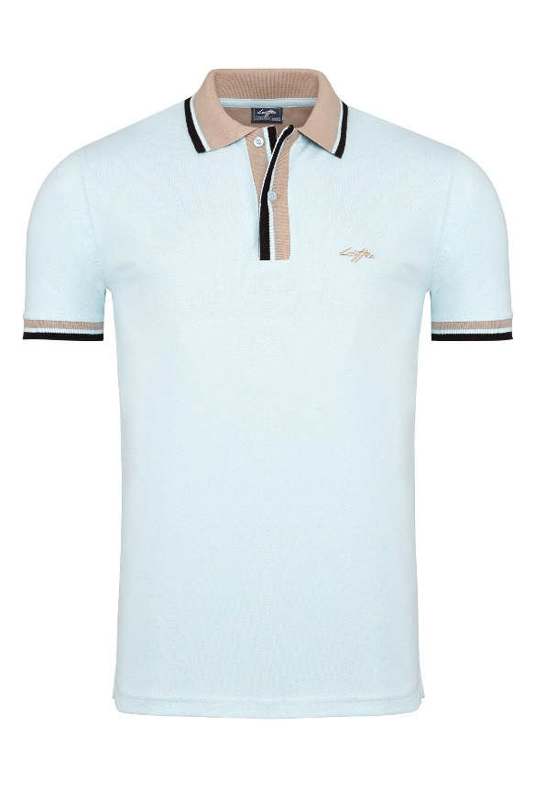
X1296 |  | Men | L | 640 | Short-Sleeve Polo-Shirt | sky | 100 % Cotton | 34.99 €
X1296 |  | Men | XL | 640 | Short-Sleeve Polo-Shirt | sky | 100 % Cotton | 34.99 €
X1296 |  | Men | XXL | 320 | Short-Sleeve Polo-Shirt | sky | 100 % Cotton | 34.99 €
 |  |  |  | 1920

Internal-Nr | EAN | Sex | Size | PCS | Art | Color | Material | Retail | IMAGES
X1297 |  | Men | M | 360 | Short-Sleeve Polo-Shirt | lightgrey | 100 % Cotton | 34.99 € | 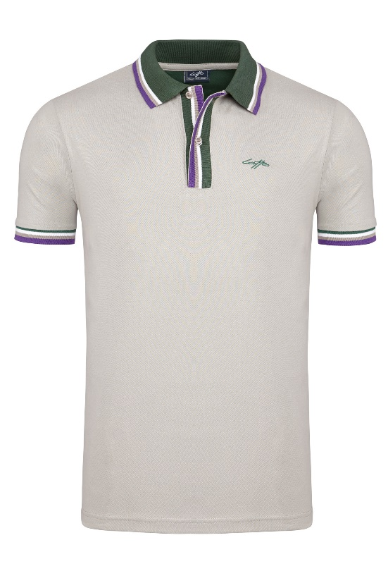
X1297 |  | Men | L | 720 | Short-Sleeve Polo-Shirt | lightgrey | 100 % Cotton | 34.99 €
X1297 |  | Men | XL | 720 | Short-Sleeve Polo-Shirt | lightgrey | 100 % Cotton | 34.99 €
X1297 |  | Men | XXL | 360 | Short-Sleeve Polo-Shirt | lightgrey | 100 % Cotton | 34.99 €
 |  |  |  | 2160

Internal-Nr | EAN | Sex | Size | PCS | Art | Color | Material | Retail | IMAGES
X1298 |  | Men | M | 100 | Short-Sleeve Polo-Shirt | navy | 100 % Cotton | 34.99 € | 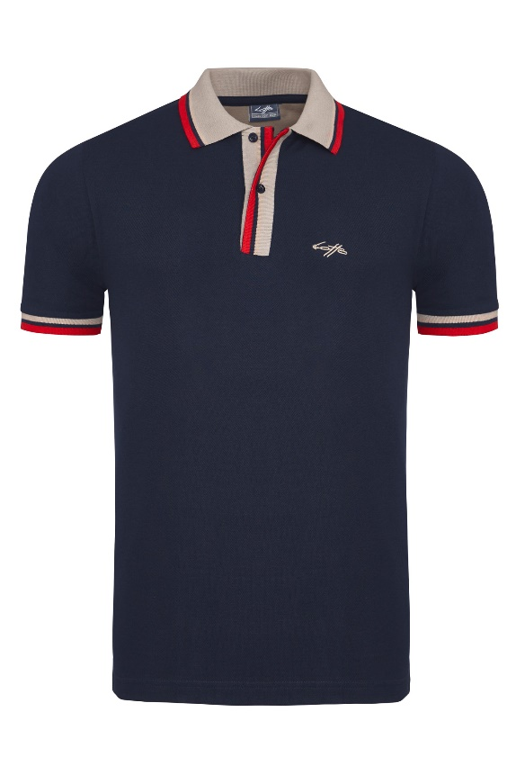
X1298 |  | Men | L | 2000 | Short-Sleeve Polo-Shirt | navy | 100 % Cotton | 34.99 €
X1298 |  | Men | XL | 2000 | Short-Sleeve Polo-Shirt | navy | 100 % Cotton | 34.99 €
X1298 |  | Men | XXL | 1000 | Short-Sleeve Polo-Shirt | navy | 100 % Cotton | 34.99 €
 |  |  |  | 5100

 |  |  | total | 23820

Internal-Nr | EAN | Sex | Size | PCS | Art | Color | Material | Retail | IMAGES
X101 |  | Men | M | 140 | Short-Sleeve Polo-Shirt | red | 100 % Cotton | 34.99 € | 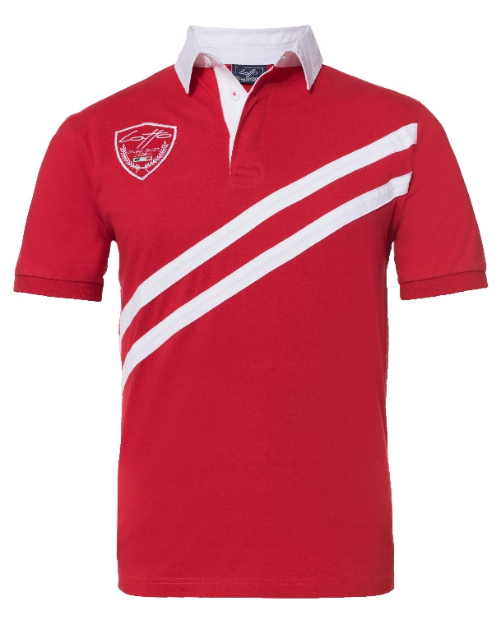
X101 |  | Men | L | 2880 | Short-Sleeve Polo-Shirt | red | 100 % Cotton | 34.99 €
X101 |  | Men | XL | 2880 | Short-Sleeve Polo-Shirt | red | 100 % Cotton | 34.99 €
X101 |  | Men | XXL | 1440 | Short-Sleeve Polo-Shirt | red | 100 % Cotton | 34.99 €
 |  |  |  | 7340

Internal-Nr | EAN | Sex | Size | PCS | Art | Color | Material | Retail | IMAGES
X102 |  | Men | M | 1600 | Short-Sleeve Polo-Shirt | green | 100 % Cotton | 34.99 € | 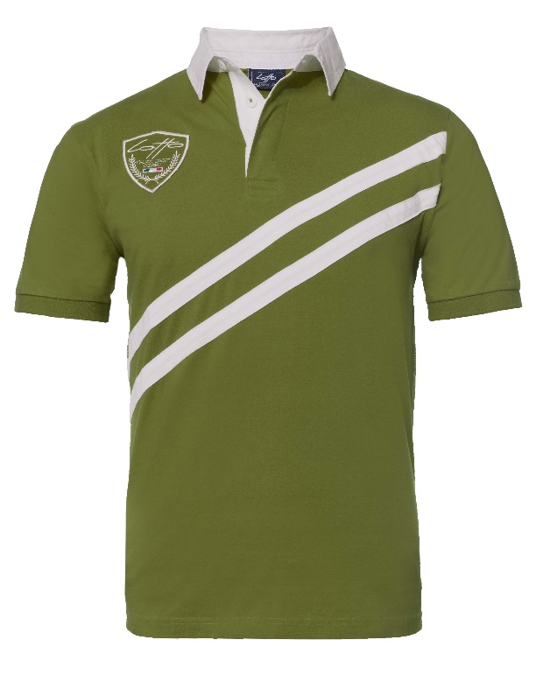
X102 |  | Men | L | 3200 | Short-Sleeve Polo-Shirt | green | 100 % Cotton | 34.99 €
X102 |  | Men | XL | 3200 | Short-Sleeve Polo-Shirt | green | 100 % Cotton | 34.99 €
X102 |  | Men | XXL | 1600 | Short-Sleeve Polo-Shirt | green | 100 % Cotton | 34.99 €
 |  |  |  | 9600

Internal-Nr | EAN | Sex | Size | PCS | Art | Color | Material | Retail | IMAGES
X103 |  | Men | M | 1160 | Short-Sleeve Polo-Shirt | white | 100 % Cotton | 34.99 € | 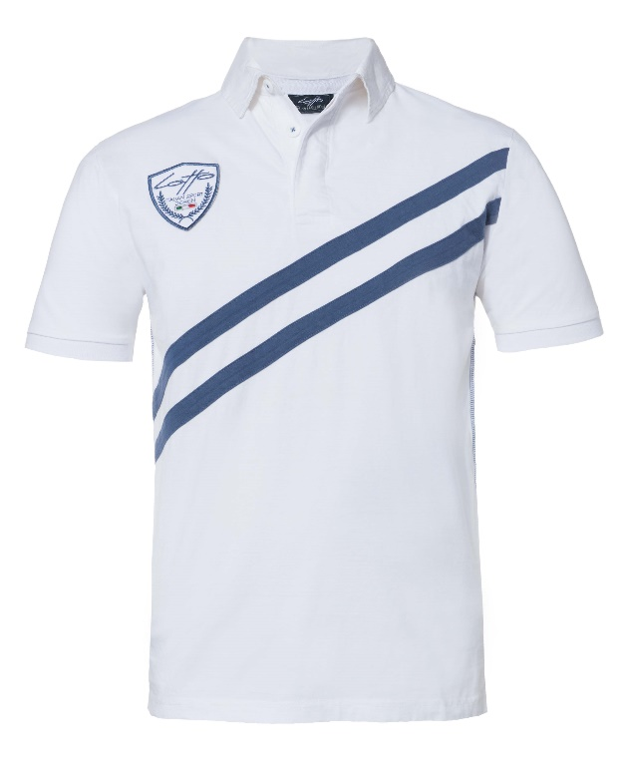
X103 |  | Men | L | 2320 | Short-Sleeve Polo-Shirt | white | 100 % Cotton | 34.99 €
X103 |  | Men | XL | 2320 | Short-Sleeve Polo-Shirt | white | 100 % Cotton | 34.99 €
X103 |  | Men | XXL | 1160 | Short-Sleeve Polo-Shirt | white | 100 % Cotton | 34.99 €
 |  |  |  | 6960

Internal-Nr | EAN | Sex | Size | PCS | Art | Color | Material | Retail | IMAGES
X104 |  | Men | M | 440 | Short-Sleeve Polo-Shirt | navy | 100 % Cotton | 34.99 € | 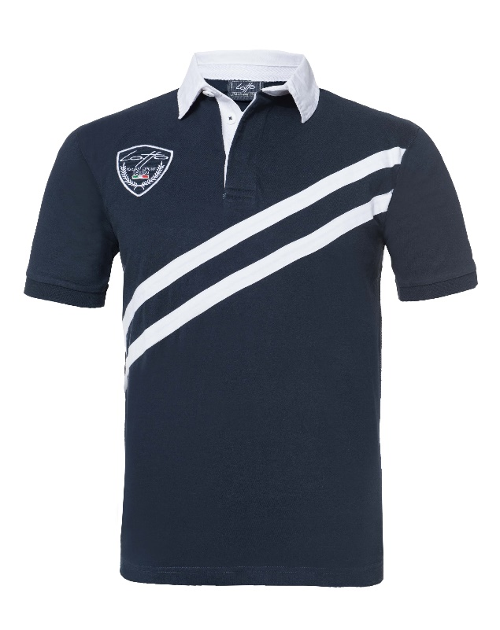
X104 |  | Men | L | 880 | Short-Sleeve Polo-Shirt | navy | 100 % Cotton | 34.99 €
X104 |  | Men | XL | 880 | Short-Sleeve Polo-Shirt | navy | 100 % Cotton | 34.99 €
X104 |  | Men | XXL | 440 | Short-Sleeve Polo-Shirt | navy | 100 % Cotton | 34.99 €
 |  |  |  | 2640

 |  |  | total | 26540

